swarovski_052022
Picture | Model | UPC | Description | Retail Price | Qty | Total Retail Price
 |  |  |  |  | 13961 | $737,913.00
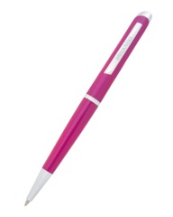 103166.jpg | 5224372 | 9009652243729 | SWAROVSKI - "Crystal Starlight" Pink Lacquer, Clear Swarovski Crystal Agenda Ballpoint Pen - 5224372 Barrel Length: 5.54 in. Barrel Width: 0.43 in. | $49.00 | 339 | $16,611.00
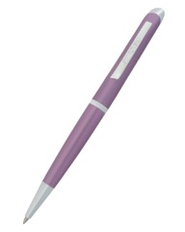 103168.jpg | 5224374 | 9009652243743 | SWAROVSKI - "Crystal Starlight" Lilac Lacquer, Clear Swarovski Crystal Ballpoint Pen - 5224374 Barrel Length: 5.52 in. Barrel Width: 0.44 in | $49.00 | 1,642 | $80,458.00
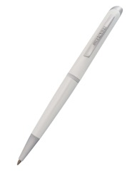 103169.jpg | 5224375 | 9009652243750 | SWAROVSKI - "Crystal Starlight" White Lacquer, Clear Swarovski Crystal Ballpoint Pen - 5224375 Barrel Length: 5.50 in. Barrel Width: 0.44 in. | $49.00 | 2,153 | $105,497.00
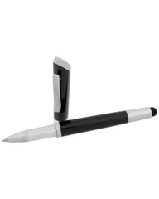 103170.jpg | 5224376 | 9009652243767 | SWAROVSKI - "Crystal Starlight" Black Lacquer, Clear Swarovski Crystal Stylus Ballpoint Pen - 5224376 Close Length: 4.87 in. Open Length: 3.89 in. Barrel Width: 0.37 in. | $49.00 | 1,626 | $79,674.00
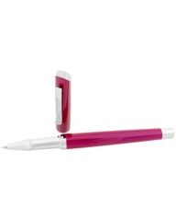 103173.jpg | 5281124 | 9009652811249 | SWAROVSKI - "Crystal Starlight" Pink Lacquer, Clear Swarovski Crystal Rollerball Pen - 5281124 | $65.00 | 255 | $16,575.00
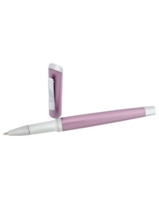 103175.jpg | 5281126 | 9009652811263 | SWAROVSKI - "Crystal Starlight" Lilac Lacquer, Clear Swarovski Crystal Rollerball Pen - 5281126 | $65.00 | 1,684 | $109,460.00
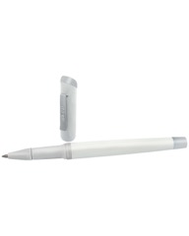 103176.jpg | 5281127 | 9009652811270 | SWAROVSKI - "Crystal Starlight" White Lacquer, Clear Swarovski Crystal Rollerball Pen - 5281127 | $65.00 | 1,268 | $82,420.00
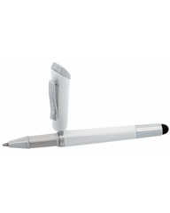 103171.jpg | 5224381 | 9009652243811 | SWAROVSKI - "Crystal Starlight" White Lacquer, Clear Swarovski Crystal Stylus Ballpoint Pen - 5224381 Closed Length: 4.79 in. Open Length: 3.90 in. Barrel Width: 0.37 in. | $49.00 | 4,837 | $237,013.00
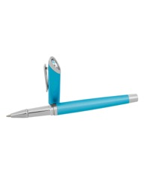 103174.jpg | 5281125 | 9009652811256 | SWAROVSKI - "Crystal Starlight" Light Blue Lacquer, Clear Swarovski Crystal Rollerball Pen - 5281125 Closed Length: 5.66 in. Open Length: 4.84 in. Barrel Width: 0.43 in. | $65.00 | 157 | $10,205.00

